Instructions


MDD Appraisal Tool
CMMI V3.0.01
(c) 2024 ISACA All rights reserved

The CMMI® Appraisal Method Definition Document (MDD) is the authoritative source for all appraisal requirements and must be used, followed, and adhered to for all registered appraisals. |  | Enabling Macros and Dynamic Content Within Excel
This spreadsheet utilizes macros and dynamic features of the Excel architecture. Most standard installations of Excel prohibit the execution of macros by default as a defense against potential malicious code. To operate correctly, it is first necessary to ensure that your installation of Excel permits the execution of macros and that this workbook has not been specifically blocked from running dynamic code. Follow the instructions to enable macros if you have not already done so. |  | Because most standard installations of Excel do not enable macro execution by default, you may encounter warnings when opening this file. If you do, you need to enable macros within Excel in order to be able to fully use the facilities within this workbook.
Note: Where drop-down boxes exist on the worksheets, it is strongly recommended that you make your selection from the presented list. If you decide to enter values directly, use upper-case characters to ensure consistent operation of the workbook. You may cut and paste values into the tables but this may override data validation rules and is not recommended. DO NOT drag and drop cells from one part of the workbook to another as this can disrupt the tool structure. |  | This Microsoft article walks through the process of updating your trust center settings to enable macro content:
 |  | https://support.microsoft.com/en-us/office/enable-or-disable-macros-in-microsoft-365-files-12b036fd-d140-4e74-b45e-16fed1a7e5c6

Configuring the MDD Appraisal Tool |  | If you encounter additional messages when downloading this file, warning you of the file content being blocked, you may need to specifically unblock the file as follows:

 |  | 1) Right click on the file in Windows explorer and select Properties to view the properties for this file.
1
 | Define the Appraisal by filling in the Organizational Unit Summary worksheet

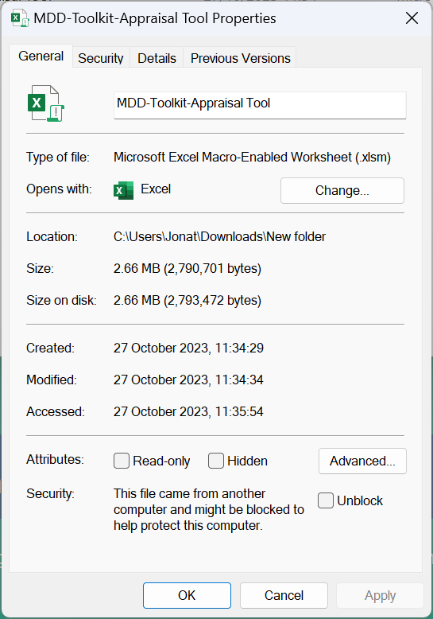
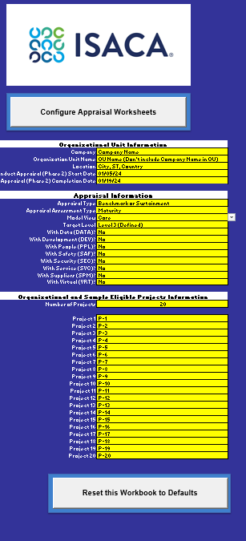
 |  | 2) A window similar to the following to appear:
The Organizational Unit Summary worksheet is the primary worksheet for defining both the Organizational and Model scope of the appraisal. It should be configured directly using information defined within the appraisal plan. Note: This workbook does not replace the appraisal plan contained within the CMMI Appraisal System (CAS).
 |  | 3) If the Security block at the bottom of the window appears as shown then check the 'Unblock' check box
Fill in the Organizational Unit Information in Cells B17-B21, based on the guidance detailed below.
Fill in the Appraisal Type in cell B24. This is a drop-down cell from which you can select either "Benchmark or Sustainment" or "Evaluation." If a "Benchmark or Sustainment" appraisal is selected, the practice group ratings column is enabled in the Practice Area (PA) worksheets. The characterization values on the PA worksheets also adjust to use the required set. |  | 4) Press OK. Now try to reopen the file and the security message should no longer appear.
Fill in the Appraisal Assessment Type in cell B25. This is a drop down cell from which you can select either "Maturity" or "Capability." If you select "Maturity" then the Model View field switches to "Core" and only the "Core" PAs are enabled by default, but all domain selectors (cells B28-B35) are enabled (but set to "No") to enable you to select which domains are included in the appraisal. If you select "Capability" all domain selectors are disabled and all PAs are enabled as potentially in scope.
When the Appraisal Assessment type is set to "Maturity," the Model View Cell B26 is enabled, and either "Core" (Default) or "All" can be selected. The selection of "Core" shows just the core PAs and domain specific PAs then need to be selected separately using the domain selectors (cells B28-B35). The selection of "All" will show all PAs (Core + all domain PAs) and the domain selectors is disabled.
The default appraisal Target Level is set in cell B27 and is selectable from a dropdown list. Note this gives the overall general target level for an appraisal (e.g., if you wanted to run a Maturity Level 3 appraisal, you would set this to "Level 3 (Defined)"). You can override the target level for individual PAs by choosing an alternative level on the target level selector alongside it (in column E). By default, all potentially in-scope PAs are set to the value you choose here. Note that for capability level appraisals, this cell is restricted to Level 3.
The Domain Selectors (cells B28-B35) identify which domains are to be included within the scope of a maturity level appraisal. Each domain has a "Yes/No" toggle and when set to Yes, the PAs associated with that domain are enabled for selection in the Organizational and In-Scope Project to PA mapping table. The domain PAs are disabled when the appraisal type is set to "Capability" and when the "Model View" cell is set to "All."
The Number of Projects within the scope of this appraisal is set in cell B38. You can enter any value between 1 and 20 here and the worksheet shows/hides the required number of project rows in both the "Organization and Sample Eligible Projects Information" area and the Organizational and In-Scope Project to PA mapping table. An Organizational Support Function (OSF) is treated as a project in the context of these instructions. If more there are more than 20 projects, use more than one appraisal tool and then aggregate the characterizations and findings.
Cells B40 - B59 are the Project name fields. Depending on how many organizational and in-scope projects you have declared in cell B38, the corresponding number of rows is enabled and you can enter the names of the projects that are in the scope of the appraisal here. The project names populate into the other worksheets in this workbook as appropriate.

If at any time you wish to reset the workbook to its initial default state, press the "Reset this Workbook to Defaults" button at the bottom of the Organizational Unit Summary worksheet. You will be asked to confirm this action before the reset takes place, resetting the workbook results in the loss of any data entered up to this point.

The Organizational and In-Scope Project to PA Mapping table is where you identify which PAs are being looked at for each of the identified projects. You should also use it to identify exactly which PAs are in scope for the appraisal and what their individual target level is.
The PAs are listed in this table in Domain Order, with the Core PAs at the top, and the individual domain PAs grouped together by domain in alphabetical order.
By default, if a domain has been selected as in-scope with the Appraisal Information settings (on the left side of the Organizational Unit Summary sheet), the corresponding rows of the PA Mapping table is enabled and the domain has the default target level for the appraisal listed next to it. In this example on the right, all core PAs are set to Target PA Level 3 and all domain PAs are currently shown "OoS" for "Out of Scope."
You can override the appraisal global Target PA Level settings by selecting an individual target level for each PA by updating the corresponding cell in column "E." If you wish to bring a currently out of scope PA into the appraisal model scope, change the "OoS" setting in column E to a target level and the relevant cells of the mapping table is enabled. If looking to include PAs in a maturity level rating, add those PAs as a domain on the Target Level page in CAS.
You can allocate PAs to sample projects by changing the corresponding cell in the mapping table from the default "OoS" (Out of Scope) to "IS" (In-Scope). You can cut and paste values between these cells but it is recommended you paste using the "Paste Value" option to avoid any unexpected behavior.

2
 | Complete Appraisal Definition by Identifying Organizational Processes on the Processes Sheet

Navigate to the "Processes" worksheet.

Enter the number of processes that will be examined during the appraisal into the Number of Processes cell (C1). You can enter any number between 1 and 25 into this cell. The worksheet disables any unused rows and hides them. Fill out the worksheet so that processes are represented and can be logically grouped.
Enter the name of each in-scope process into the cells in column B on this worksheet.
Identify which processes align to which projects by selecting the appropriate cells in the mapping table. By default, all processes are mapped to all projects due to the entry in column C (IS). To override this, and not align the process to All projects, then change the appropriate individual project settings to IS (columns to the right of C), and column C (All) will no longer apply.

3
 | Configure the Appraisal Worksheets

Navigate back to the Organizational Unit Summary worksheet.
When you have completed defining the appraisal and the worksheet configuration is an accurate reflection of the appraisal plan (steps 1 and 2 above), you can configure the appraisal worksheets by pressing the "Configure Appraisal Worksheets" button towards the top of the worksheet.
There will be a brief processing pause with a blank white screen while a set of macros runs which updates the PA worksheets, Project worksheets, and the OU Roll-Up worksheet with the options you have selected. Once the macros have completed, the workbook is ready to be used to support the Conduct Appraisal Phase of the appraisal.
The worksheets are automatically protected upon configuration. The worksheets can be edited by unprotecting the individual sheet, there is no password required.
4
 | Protect the Appraisal Worksheets

Once the worksheets have been configured correctly, it is recommended that you lock the "Configure Appraisal Worksheets" and "Reset this Workbook to Defaults" buttons by changing the Lock control in the top right of the Organizational Unit Summary worksheet. This is a toggle control from which you can select either "Locked" or "Unlocked."
This control is password protected to prevent accidental selection. The password is "cmmi1234". This control is purely intended to prevent accidental reconfiguration of the worksheet. It does not stop changes being made to the summary or processes sheet, but it does stop the worksheets from being reconfigured.
A locked workbook allows data to be entered in the PA worksheets, but prevents the workbook from being accidentally reset or reconfigured.

Using the MDD Appraisal Tool

General Notes:
Once the configuration macros have completed, you have a workbook containing a set of worksheets that can be used during the appraisal to capture evidence and findings. These sheets include:
• One worksheet per in-scope PA showing the practices up to the selected target level for that PA
• One worksheet per in-scope Project showing the PAs that have been mapped to it (PAs that are within the scope of the appraisal but not mapped to that project will be shown as out of scope)
• One worksheet, OU Roll-Up, providing a summary of the characterizations (and ratings where required) across the OU
The PA and Project worksheets are all dynamically linked to one another. To ensure these links are preserved, do not add or delete rows or columns to any of the worksheets. Also, do not change the information in columns A-C or the hidden columns D and E on the PA worksheets. You only need to enter data into the empty columns F-P (F-Q for GOV and II). These columns can be hidden or unhidden as needed.

Use the PA Worksheets to Record OE Data, Findings, Characterizations and Ratings

Based on MDD requirements the content in the following columns is required for the appraisal record submission in CAS: Suff. Artifact (Column F), Affirmation (Column G), Weakness (Column I), Data Collection Source OE Notes (Column K)*, Affirmation Source (Column L), OU Char (Column 0), OU Findings (Column P), Practice Group Rating (Column Q)) *If this information is not provided upon appraisal submission with the appraisal record, the ATL must be prepared to provide OE context for the full validity period of the appraisal.
Sufficient Artifact (Column G for GOV and II; Column F for all other PAs): Set to 1 when enough, appropriate artifact evidence has been seen, 0 if more evidence is needed or NY if project is not yet at a stage when the evidence is available.
Affirmation (Column H for GOV and II; Column G for all other PAs): Set to 1 when the person/people performing the process has provided sufficient reasonable affirmation for the practice, 0 for no affirmation (or negative affirmation) or NY if the project is not yet at a stage where appropriate affirmation evidence is available.
OE Count (Column I for GOV and II; Column H for all other PAs): Enter the total number of artifacts (Objective Evidence) reviewed for this practice by the appraisal team.
Weakness (Column J for GOV and II; Column I for all other PAs): Enter any weaknesses identified by the appraisal team for this practice. Refer to the MDD and ATM training for developing and recording weaknesses.
Readiness Review Total (Column K for GOV and II; Column J for all other PAs): Can be used for counts of artifacts reviewed during a Readiness Review. This column is optional and may be hidden.
Data Collection Source OE Notes (Column L for GOV and II; Column K for all other PAs): Use to record any notes needed to clarify the state of the Objective Evidence (artifacts or affirmations). This column is optional and may be hidden.
Affirmation Source (Column M for GOV and II; Column L for all other PAs): Used by the Appraisal Team to identify the affirmation source. Information can be genericized, e.g., Interview Session A, PA Interview Session. Note: BEFORE providing a copy of this spreadsheet/file to the Organization, the ATL is required to adhere to the confidentiality and non-attribution agreement, per the MDD, and ensure there are NO names or other attributable information in the spreadsheet.
RFI, Questions, Information Needed (Column N for GOV and II; Column M for all other PAs): Used by the Appraisal Team to record any Requests For Information (RFIs) or questions to be asked during interviews. For tracking purposes, the row for a practice with an RFI can be highlighted (Yellow) or Questions can be highlighted (Orange) or other colors as per instructions from the ATL during the appraisal.
Comments, Improvement Opps, Recommendations, Strengths (Column O for GOV and II; Column N for all other PAs): If needed, used by the Appraisal Team to record other comments, improvement opportunities, recommendations or strengths. Refer to the MDD for requirements on these topics.
OU Char (Column P for GOV and II, Column O for all other PAs): This is the OU characterization roll-up to be completed by the ATL during full team consensus, and AFTER all project characterizations are completed by the Appraisal Team. This field is populated by manually selecting values from the drop down, in accordance with practice characterization requirements of the MDD. Refer to the MDD for characterization requirements for the various types of appraisals. The values in Column O are displayed in the OU Roll-Up sheet.
OU Findings (Column Q for GOV & II, Column P for all other PAs): Used by the Appraisal Team to capture the Final Findings at the Practice Group Level.
Practice Group Rating (Column R for GOV & II, Column Q for all other PAs): Used by the Appraisal Team during full team consensus to rate the Practice Group Levels. Options are Satisfied (S), Unsatisfied (U), or Not Rated (NR). Refer to the MDD for requirements on Practice Group ratings. Note: This column is not used for Evaluation appraisals, since there are no ratings in Evaluation appraisals.
NOTE: Project Characterization (Column C)
Sufficient Artifacts
Appropriate Affirmations
No Weaknesses
"FM"
"L"
or
Insufficient Artifacts
Appropriate Affirmations
Identified Weaknesses
"PM"
"H"
or
Sufficient Artifacts
Inadequate Affirmations
Identified Weaknesses
"PM"
"H"
or
Sufficient Artifacts
Appropriate Affirmations
Identified Weaknesses
"LM"
"M"
or
This field is automatically computed based on the entries in the Sufficient artifact, Affirmation and Weakness fields. The characterizations applied depend on the appraisal type and are selected automatically by the worksheet. To illustrate the rules applied some examples are shown below. When NY is selected for the columns of Suff. Artifact and Affirm., the resulting project characterization is NY. If NY is only selected for one of the columns, either Suff. Artifact or Affirm., then the resulting project characterization is DM.

Insufficient Artifacts
Inadequate Affirmations
Identified Weaknesses
"DM"
or
"H"

Additional Notes Regarding GOV and II Practice Area Worksheets
When assessing the processes, characterize the processes in use by each project. Note that on the II and GOV tabs, the characterizations should be set to the lowest applied to any project (column D, Project Char) for each II and GOV practice in use in the OU.
The ATL or designated Appraisal Team Members need to follow the MDD characterization rules to manually adjust the characterization at the process level, on the individual II and GOV tabs, to ensure that the project level characterization accurately reflects the process implementation that meets the intent and value of the practice.
Then, for each process, record the OU characterization for each practice. The ATL or designated Appraisal Team Members manually enter the OU Characterization and Practice Group Rating on the II and GOV tabs.
As with all High Maturity efforts, the characterizations for OE of all processes, subprocesses, and measures that are related to or impacted by the HM QPPOs should be traceable to any impacted organizational and project processes. This must be reflective of the Objective Evidence (OE) reviewed for each High Maturity practice.

